Sheet1
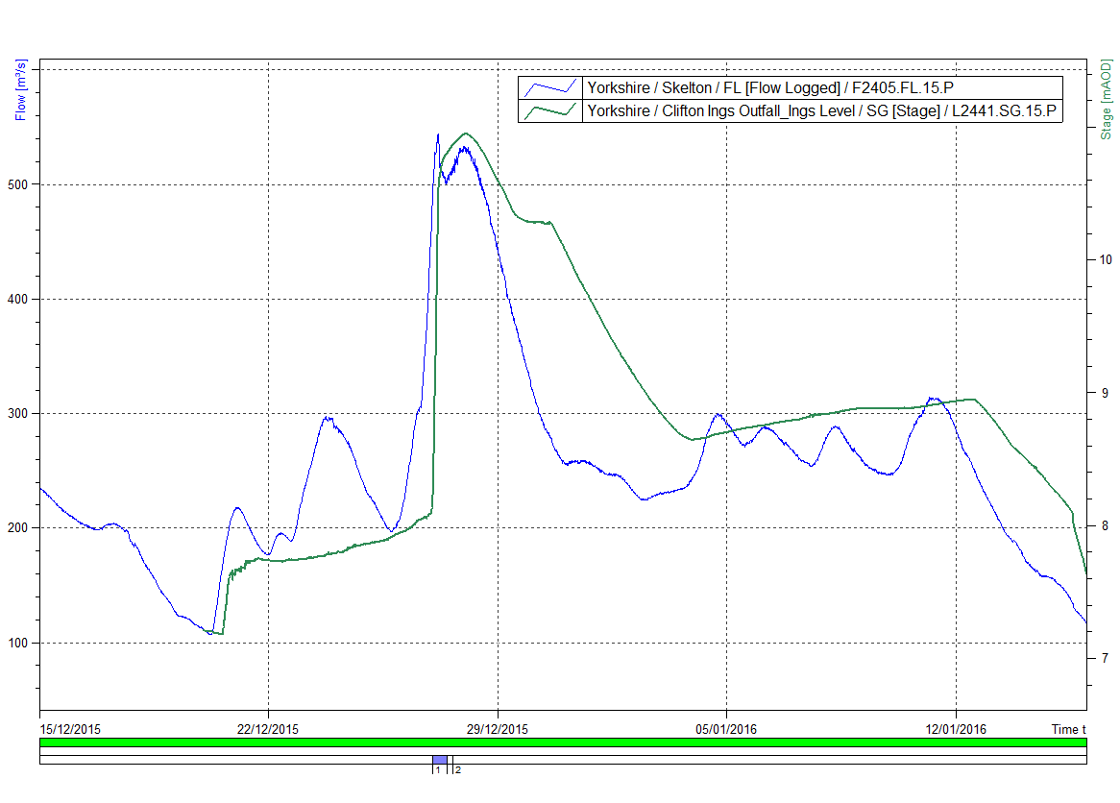
Graph showing River Ouse flow at Skelton (blue) and water level in Clifton Ings flood storage area (green, axis on right)
during November 2000 flood event.

Skelton grid ref | SE568553
Clifton Ings Outfall grid ref | SE587529

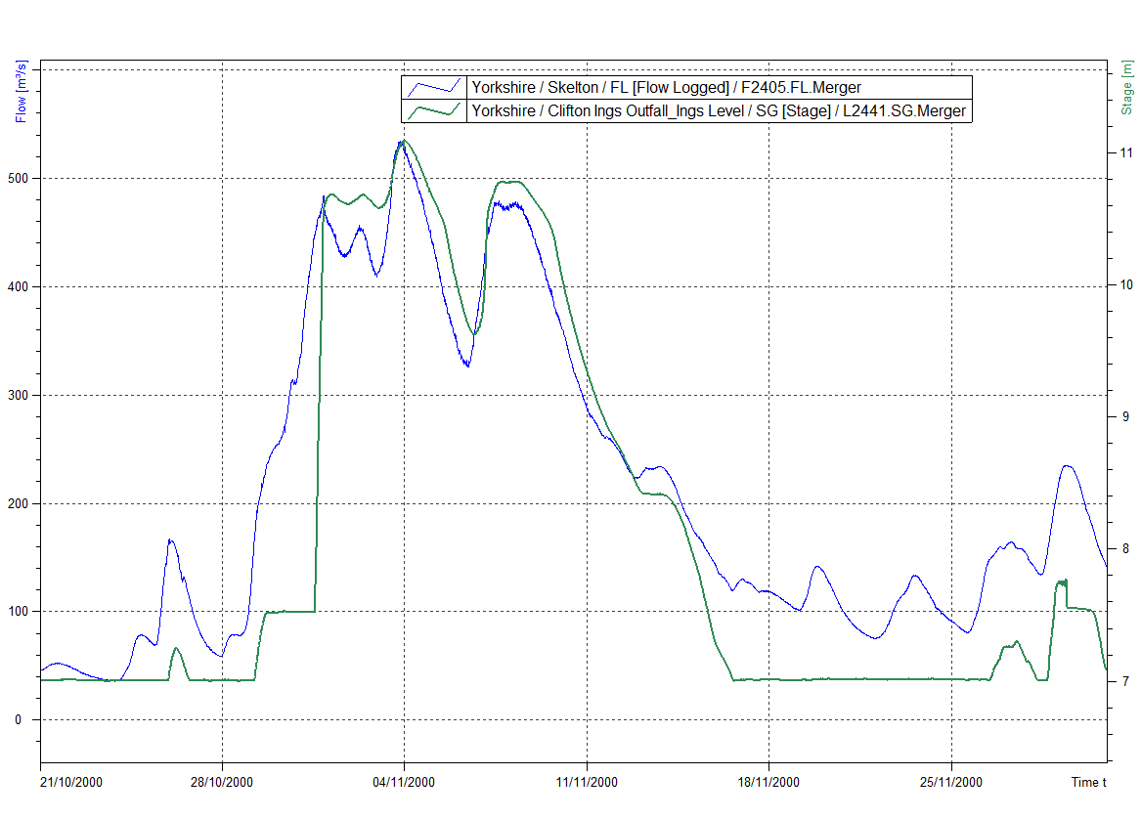

Graph showing River Ouse flow at Skelton (blue) and water level in Clifton Ings flood storage area (green, axis on right)
during December 2015 flood event.

